UAT Feed back 2
S No | report type | report section | field | issue | fix/comment | QA Validation in PROD Dev instance
1 | Project team tracker | Filters section | "*Application Nature" | this field should have same preselected values as in PowerBI and it should be hidden in the "filters" section. Currently: - NumeRITA: Component, generic, XOApplication, NonDigital - PowerBI: Applicaiton, Application Externally owned, Component, Instance, non-digital | Question for TANJA: shouldn't the Proejct team view be pre-filtered on the same values as in PowerBI? | 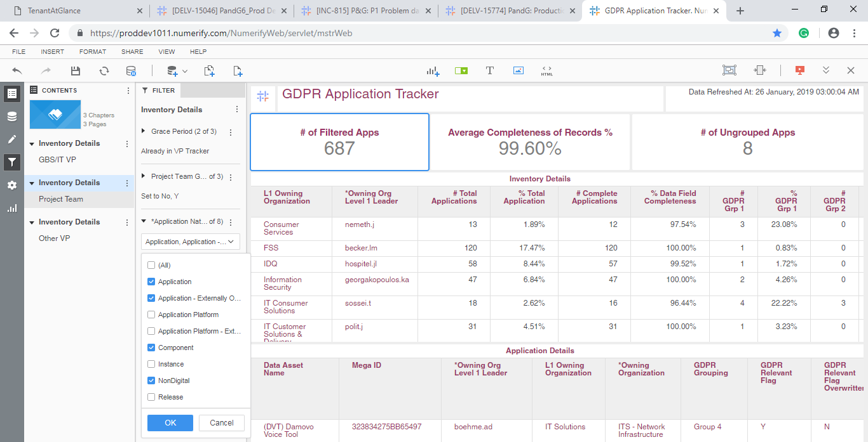
2 | Project team tracker | Filters section | "*Application Nature" | For example, app “323834275BB65497” is reported as “Application Nature = generic” in NumeRITA and “Application Nature = Application” in PowerBI. | Question for TANJA: why the same applciation has different values in PowerBI and NumeRITA?
3 | Project team tracker | Filters section | "*Application Lifecycle status" | only the followign lifecycles should be preselected (as per powerBI): Design/Build, Exception, Launch/Deploy, Leverage/Optimize, Qualify/Deliver, Retired, Sunset | Question for TANJA: can you confirm those are the values pre-selected in PowerBI? | 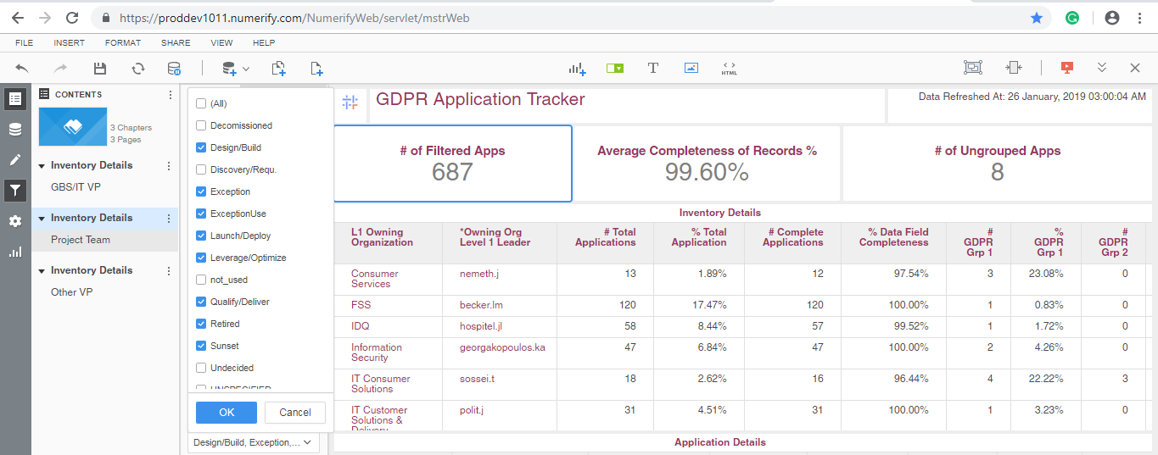
4 |  |  | "*Privacy Risk" | only the following Privacy Risk values should be preselected (as per PowerBI): High, Medium, Low. Currently I see on top: unspecified, noPIIData | Question for TANJA: can you confirm those are the values pre-selected in PowerBI? | Not Working fine
5 | VP tracker | Inventory details | "% Total Application" | "% Total Applications" | add "s" | This has been taken care in all other three tabs. (VP,Project Team and Other Vp).
6 | VP tracker | Application details | all non-mandatory fields (ie without "*") | non-mandatory fields without a value are highlighted with red-background, both online and in the extracted xls file | the red background must be applied only to mandatory fields (ie those identified by "*" in the title) when the cell is empty | Not Working fine
7 | VP tracker | Application details | missing fields | the following fileds are missing in the application details section online and in the extract xls file: "InfoSec Classification", "App Mgr Email", "AD" | "InfoSec classification" is important, considering the possible convergence between InfoSec and GDPR on classificaiton/grouping | Not Working fine AD is not added
8 | VP tracker | Application details | "*Other Supplier SAP Code" & "*LE(s) Receiving The Services" | those two columns are mandatory fields ("*") with no red background when the cell is empty. Both online and in the xls extract | add the red-background color when cell is empty, both online and in the xls extract, for both columns | Not Working fine

